Diffusivity
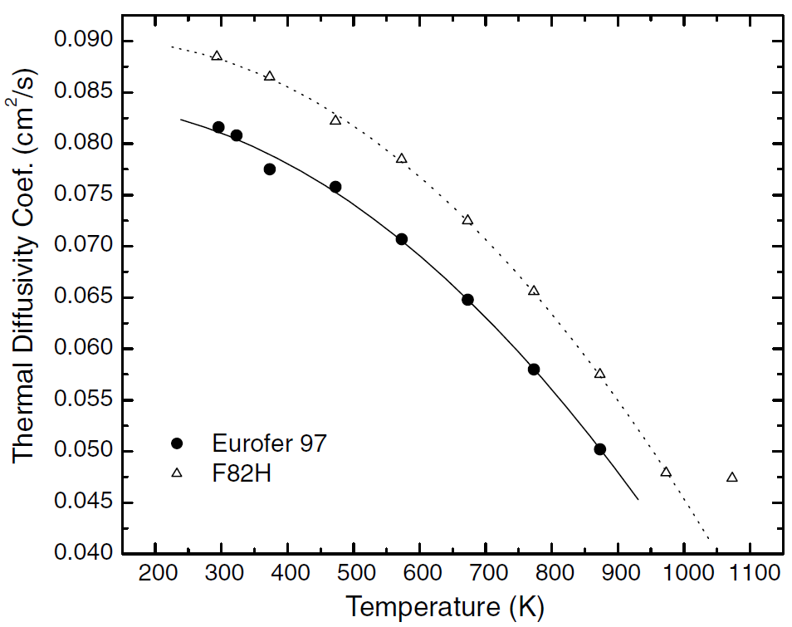
EUROFER97 |  | F82H
Temp (K) | Thermal Diffusivity Coef. (cm2/s) | Temp (K) | Thermal Diffusivity Coef. (cm2/s)
295.59585492 | 0.081640711902 | 293.2642487 | 0.088598442714
322.79792746 | 0.080789766407 | 373.31606218 | 0.086646273637
373.31606218 | 0.077536151279 | 472.79792746 | 0.082341490545
472.79792746 | 0.075784204672 | 573.05699482 | 0.078637374861
573.05699482 | 0.070728587319 | 672.5388601 | 0.072630700779
673.31606218 | 0.064822024472 | 772.79792746 | 0.065773081201
772.79792746 | 0.058014460512 | 873.05699482 | 0.05766407119
873.05699482 | 0.050255839822 | 973.31606218 | 0.048053392659
 |  | 1072.7979275 | 0.047552836485

Specific_Heat
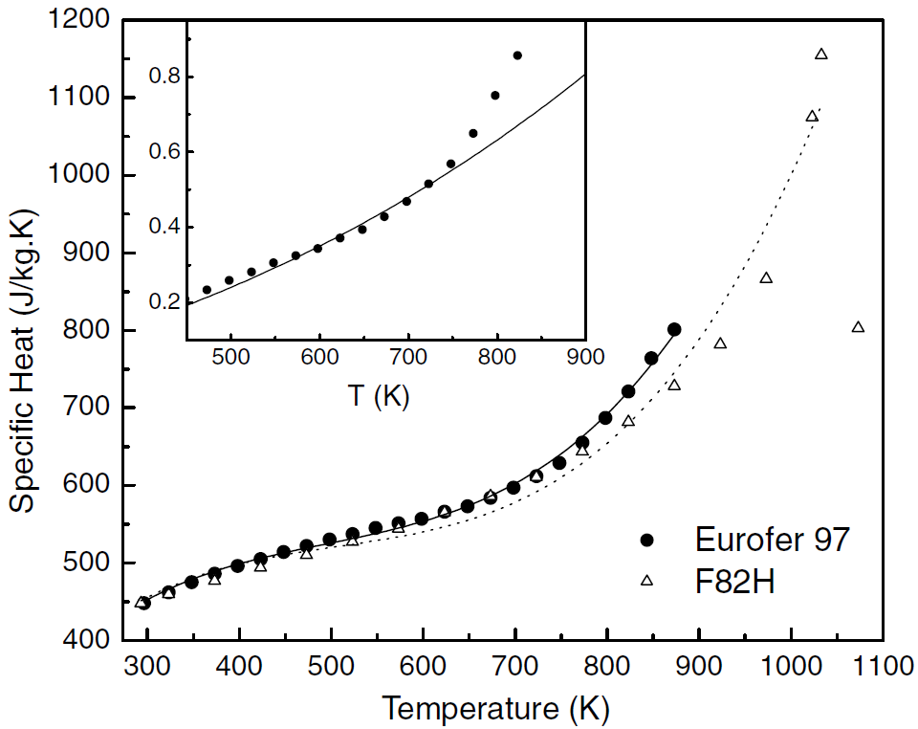
EUROFER97 |  | F82H
Temp (K) | Specific Heat (J/kg-K) | Temp (K) | Specific Heat (J/kg-K)
296.1038961 | 448.39537869 | 292.85714286 | 449.16559692
322.72727273 | 461.48908858 | 322.72727273 | 461.48908858
348.05194805 | 475.35301669 | 373.37662338 | 479.20410783
373.37662338 | 485.36585366 | 422.72727273 | 496.14890886
398.05194805 | 496.14890886 | 472.72727273 | 513.09370988
423.37662338 | 504.62130937 | 522.72727273 | 529.26829268
447.4025974 | 513.86392811 | 572.72727273 | 546.21309371
472.72727273 | 521.5661104 | 622.72727273 | 567.00898588
498.05194805 | 530.03851091 | 673.37662338 | 589.34531451
522.72727273 | 536.97047497 | 722.72727273 | 613.22207959
548.05194805 | 544.67265725 | 772.72727273 | 646.34146341
572.72727273 | 550.83440308 | 822.72727273 | 682.54172015
598.05194805 | 556.99614891 | 872.72727273 | 729.52503209
622.72727273 | 565.46854942 | 922.72727273 | 783.44030809
648.05194805 | 573.17073171 | 972.72727273 | 868.16431322
673.37662338 | 583.95378691 | 1072.7272727 | 804.23620026
698.05194805 | 597.04749679 | 1022.7272727 | 1076.1232349
722.72727273 | 611.68164313 | 1032.4675325 | 1156.2259307
747.4025974 | 628.62644416
773.37662338 | 655.58408216
797.4025974 | 687.16302953
822.72727273 | 721.05263158
847.4025974 | 764.18485237
872.72727273 | 801.15532734

Conductivity
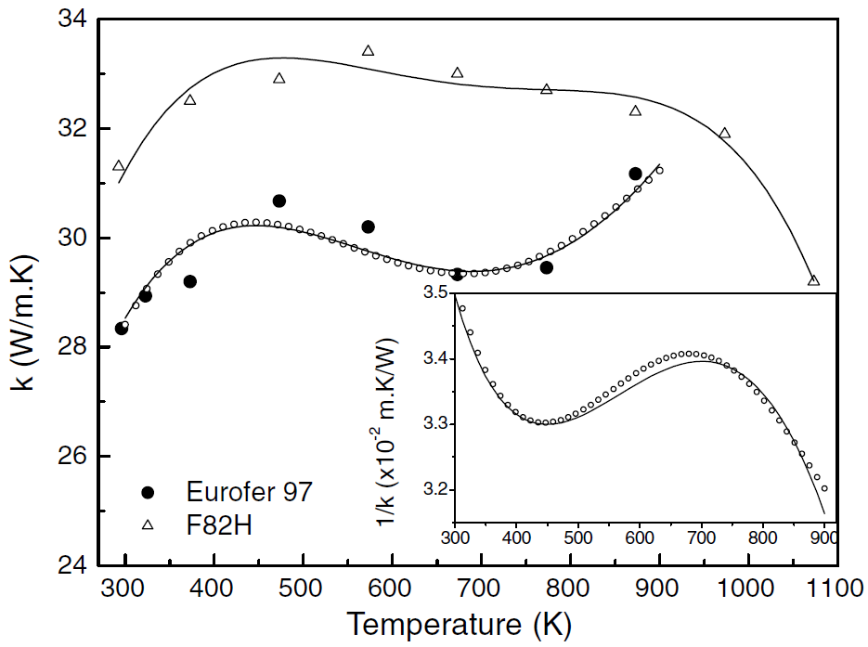
EUROFER97 |  | F82H
Temp (K) | Thermal Conductivity, k (W/m-K) | Temp (K) | Thermal Conductivity, k (W/m-K)
295.83333333 | 28.330097087 | 292.85714286 | 31.32038835
322.61904762 | 28.932038835 | 372.61904762 | 32.533980583
372.61904762 | 29.194174757 | 473.21428571 | 32.922330097
473.21428571 | 30.669902913 | 572.61904762 | 33.436893204
572.61904762 | 30.194174757 | 673.21428571 | 33.029126214
672.61904762 | 29.330097087 | 773.21428571 | 32.72815534
772.61904762 | 29.446601942 | 872.61904762 | 32.32038835
872.61904762 | 31.174757282 | 973.21428571 | 31.922330097
 |  | 1073.2142857 | 29.223300971

Resistivity
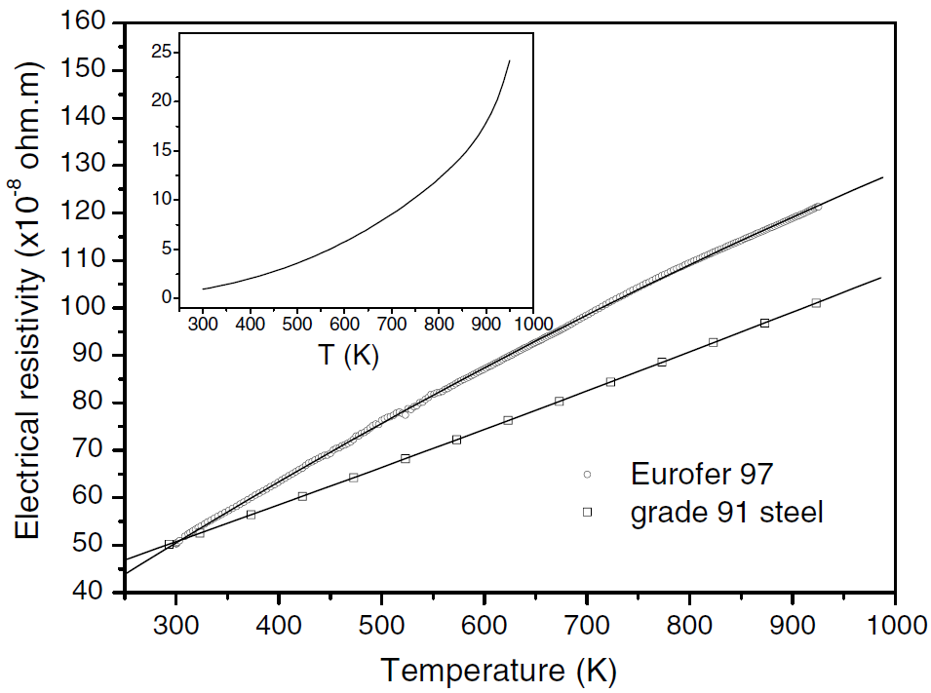
EUROFER97 |  | Grade 91 Steel
Temp (K) | Electrical Resistivity (x10-8 ohm-m) | Temp (K) | Electrical Resistivity (x10-8 ohm-m)
303.31797235 | 51.077844311 | 293.3640553 | 50.239520958
327.64976959 | 54.550898204 | 323.22580645 | 52.51497006
344.23963134 | 56.467065868 | 372.99539171 | 56.467065868
365.80645161 | 59.101796407 | 423.31797235 | 60.299401198
396.22119816 | 62.814371257 | 472.53456221 | 64.251497006
423.31797235 | 66.407185629 | 523.41013825 | 68.203592814
450.41474654 | 69.281437126 | 573.1797235 | 72.275449102
467.00460829 | 71.437125749 | 623.50230415 | 76.347305389
497.41935484 | 75.508982036 | 672.71889401 | 80.299401198
523.41013825 | 77.425149701 | 723.04147465 | 84.491017964
545.52995392 | 81.137724551 | 772.81105991 | 88.682634731
577.05069124 | 84.730538922 | 822.58064516 | 92.754491018
601.93548387 | 87.245508982 | 872.90322581 | 96.826347305
657.78801843 | 93.473053892 | 923.22580645 | 101.01796407
682.11981567 | 96.22754491
708.11059908 | 99.580838323
734.65437788 | 102.5748503
763.41013825 | 105.80838323
783.87096774 | 107.96407186
817.05069124 | 111.19760479
850.23041475 | 114.19161677
883.96313364 | 117.4251497
924.88479263 | 121.37724551
*Important comment about data digitzed for EUROFER97: A subset of the data points were chosen along the least squares fit line. Difficult to discretize all points due to overlap.

